precedents of profit
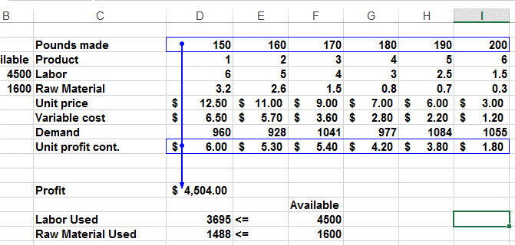
 | Pounds made | 150 | 160 | 170 | 180 | 190 | 200
Available | Product | 1 | 2 | 3 | 4 | 5 | 6
4500 | Labor | 6 | 5 | 4 | 3 | 2.5 | 1.5
1600 | Raw Material | 3.2 | 2.6 | 1.5 | 0.8 | 0.7 | 0.3
 | Unit price | $12.50 | $11.00 | $9.00 | $7.00 | $6.00 | $3.00
 | Variable cost | $6.50 | $5.70 | $3.60 | $2.80 | $2.20 | $1.20
 | Demand | 960 | 928 | 1041 | 977 | 1084 | 1055
 | Unit profit cont. | $6.00 | $5.30 | $5.40 | $4.20 | $3.80 | $1.80

 | Profit | $4,504.00
 |  |  |  | Available
 | Labor Used | 3695 | <= | 4500
 | Raw Material Used | 1488 | <= | 1600

dependents of pound 1
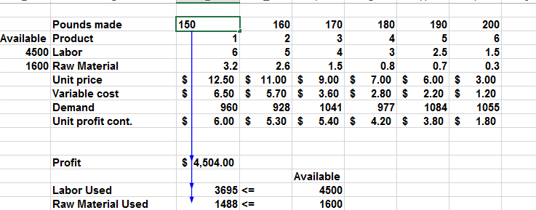
 | Pounds made | 150 | 160 | 170 | 180 | 190 | 200
Available | Product | 1 | 2 | 3 | 4 | 5 | 6
4500 | Labor | 6 | 5 | 4 | 3 | 2.5 | 1.5
1600 | Raw Material | 3.2 | 2.6 | 1.5 | 0.8 | 0.7 | 0.3
 | Unit price | $12.50 | $11.00 | $9.00 | $7.00 | $6.00 | $3.00
 | Variable cost | $6.50 | $5.70 | $3.60 | $2.80 | $2.20 | $1.20
 | Demand | 960 | 928 | 1041 | 977 | 1084 | 1055
 | Unit profit cont. | $6.00 | $5.30 | $5.40 | $4.20 | $3.80 | $1.80

 | Profit | $4,504.00
 |  |  |  | Available
 | Labor Used | 3695 | <= | 4500
 | Raw Material Used | 1488 | <= | 1600

